Client Roster
Monthly Review
SAMHSA Annual Report (10/1/2022-9/30/2023)
 | CSC NAVIGATE Client Roster

 | Month: | October |  | Updated by (Name): |  |  |  | Total # Active Clients: | 0 | % in IRT: | 0% |  | % SEE: | 0% |  |  | # Active Clients: | 0 | Adult | 0 | Child

 | Year: | 2022 |  | Program Name: |  |  |  | % taking Medication: | 0% | % in Family: | 0% |  | % Peer: | 0% |  |  | # Admissions, Past Year: | 0 | Adult | 0 | Child

 | Client Information |  |  |  |  |  |  |  |  | Prescriber |  |  |  | IRT |  |  |  | Family Education |  |  |  | SEE Specialist |  |  | Peer Specialist |  |  | Notes
 | Client ID | Date Referred | Date Enrolled | Discharged? | Diagnosis | Age | Race | Gender | Co-occuring Subst. Use? | Prescriber Name | Meets with Prescriber? | Taking Meds? |  | Clinician Name | Having IRT Sessions? | IRT Module & Notes |  | Clinician Name | Family Sessions? | Family Module & Notes |  | SEE Specialist Name | Having SEE Sessions? | Current SEE Activities | Peer Specialist Name | Having Peer Sessions? | Current Peer Activities | Describe any additional information or services relevant to this client.
1
2
3
4
5
6
7
8
9
10
11
12
13
14
15
16
17
18
19
20
21
22
23
24
25
26
27
28
29
30
31
32
33
34
35
36
37
38
39
40
41
42
43
44
45
46
47
48
49
50
51
52
53
54
55
56
57
58
59
60
61
62
63
64
65
66
67
68
69
70
71
72
73
74
75
76
77
78
79
80
81
82
83
84
85
86
87
88
89
90
91
92
93
94
95
96
97
98
99
100
101
102
103
104
105
106
107
108
109
110
111
112
113
114
115
116
117
118
119
120
121
122
123
124
125
126
127
128
129
130
131
132
133
134
135
136
137
138
139
140
141
142
143
144
145
146
147
148
149
150
151
152
153
154
155
156
157
158
159
160
161
162
163
164
165
166
167
168
169
170
171
172
173
174
175
176
177
178
179
180
181
182
183
184
185
186
187
188
189
190
191
192
193
194
195
196
197
198
199
200

Client Assessments
CSC Client Assessment Data |  |  |  | Variable | Assessment 1 | Assessment 2 | Assessment 3 | Assessment 4 | etc. →
 |  |  |  | Client_ID
Month: | October | Year: | 2022 | Assessment_Type
 |  |  |  | Assessor_1
 |  | Total # of assessments completed: | 0 | Assessor_2
 |  |  |  | Assessor_3
 |  | % Completed Demographics: | 0% | Assessor_4
 |  |  |  | Assessor_5
 |  | % Completed Clinical Interview: | 0% | Assessor_6
 |  |  |  | Assessor_7
 |  | % Completed Self-Report: | 0% | Complete_Demo
 |  |  |  | Complete_Edu
Average age: | No data | % Male: | No data | Complete_ServiceUse
 |  |  |  | Complete_GFS
 |  |  |  | Complete_COMPASS
Instructions: Report client assessment data (Baseline, Follow-Up, or Discharge) for all patients who received services from your FEP CSC program between 10/1/2022-9/30/2023. EVERY PATIENT served in any capacity by your CSC FEP program during the reporting period* must AT MINIMUM have a completed Demographics form and, if discharged, the month & reason for discharge. See below for step-by-step instructions on how to copy data from the Excel e-Forms into this report. If you do not use these eForms, please coordinate with MAPNET re: your submission. *Examples include: a) someone who received family services without the client present; b) someone admitted to your program in May 2022 who continued to receive services throughout the reporting period (10/1/2022 to 9/30/2023); c) a person who participated in an initial assessment and received no additional services; d) a person discharged from your program at some point between 10/1/2022 and 9/30/2023. |  |  |  | Complete_WHOAssist
 |  |  |  | Complete_Family
 |  |  |  | Complete_Prescribers
 |  |  |  | Complete_CSI
 |  |  |  | Complete_LEC
 |  |  |  | Complete_ASS
 |  |  |  | Complete_Medication
 |  |  |  | Complete_QOL
 |  |  |  | Complete_QPR
 |  |  |  | Complete_CSQ
 |  |  |  | Complete_Discharge
 |  |  |  | Complete_Notes
 |  |  |  | Age_Months
 |  |  |  | Age_Years
 |  |  |  | Demo_Admin_Date_Month
 |  |  |  | Demo_Admin_Date_Year
 |  |  |  | Current_Primary_Diagnosis
 |  |  |  | Current_Primary_Diagnosis_OS
 |  |  |  | DX_SUD
 |  |  |  | DX_DEP
 |  |  |  | DX_BPD
 |  |  |  | DX_OCD
 |  |  |  | DX_TRAUMA
 |  |  |  | DX_ANX
 |  |  |  | DX_DEV
Step 1. Open the "Data Summary" tab of the completed assessment form. |  |  |  | DX_OTHER
 |  |  |  | DX_OS
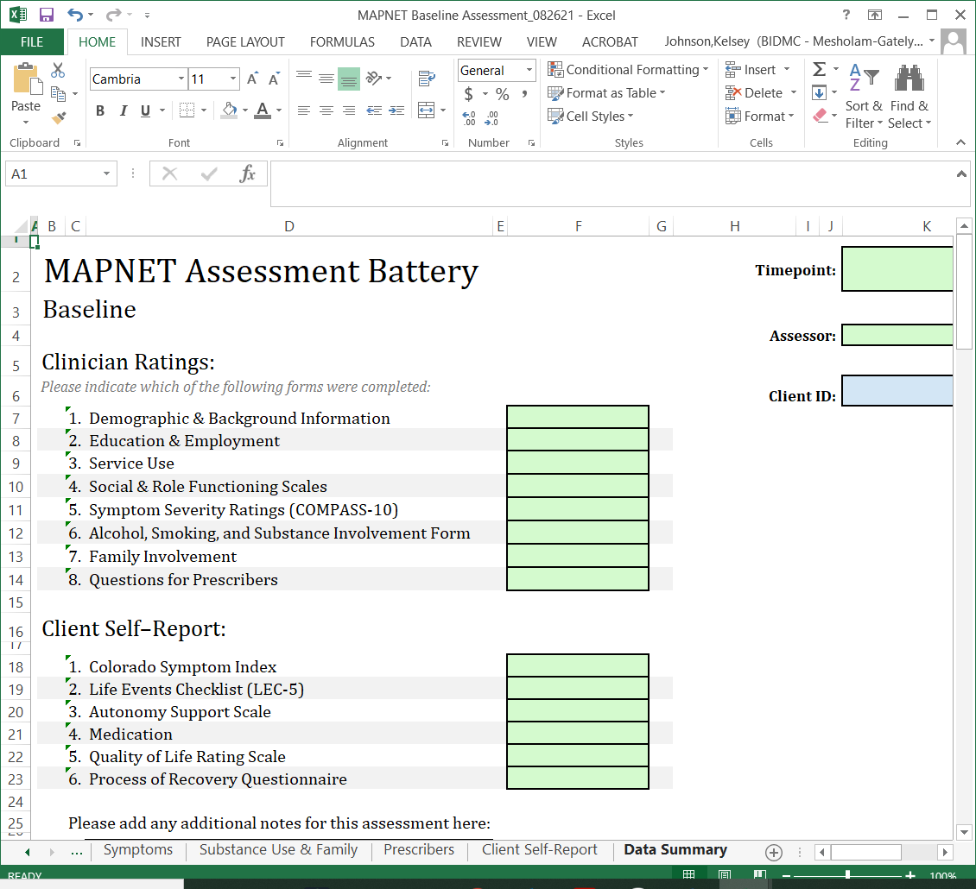
 |  |  |  | Symptom_Onset_Month
 |  |  |  | Symptom_Onset_Year
 |  |  |  | Program_Entry_Month
 |  |  |  | Program_Entry_Year
 |  |  |  | Antipsychotic_Meds_Month
 |  |  |  | Antipsychotic_Meds_Year
 |  |  |  | Antipsychotic_Meds_Unknown
 |  |  |  | Antipsychotic_Meds_NA
 |  |  |  | Bio_Sex
 |  |  |  | Gender_ID
 |  |  |  | Gender_ID_OS
 |  |  |  | Sex_Orient
 |  |  |  | Sex_Orient_OS
 |  |  |  | Race_Black
 |  |  |  | Race_White
Step 2. Copy the "Response" column. This should contain a summary of the information entered in the previous tabs. |  |  |  | Race_Asian
 |  |  |  | Race_AI
 |  |  |  | Race_NH
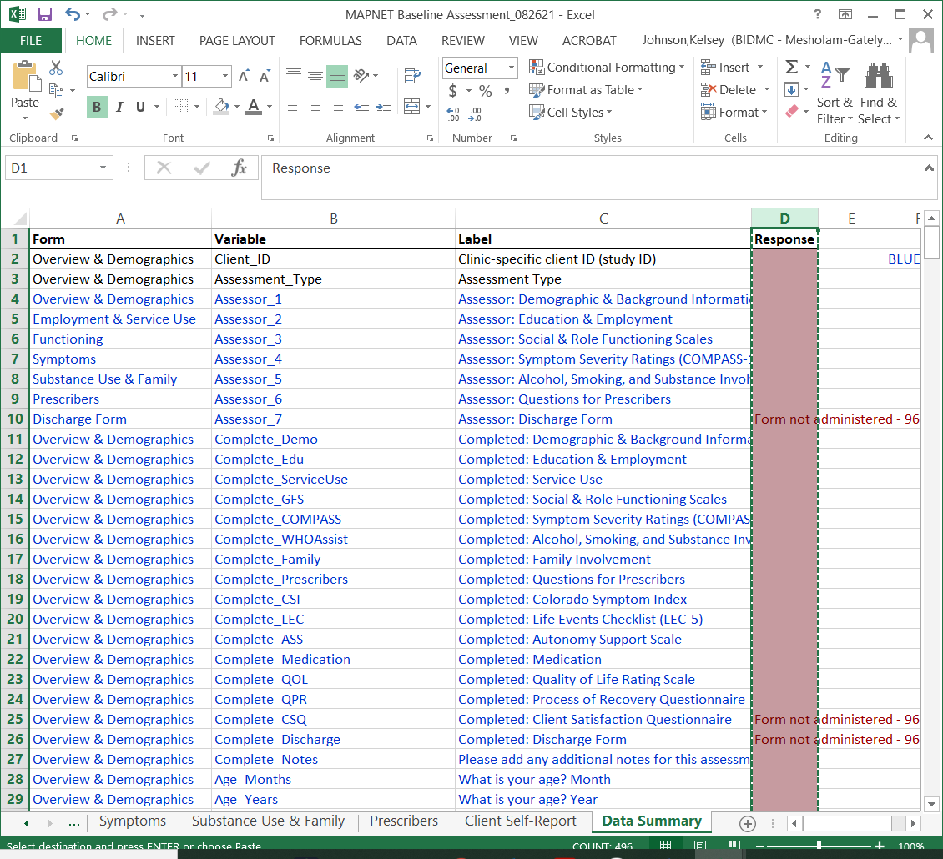
 |  |  |  | Race_Other
 |  |  |  | Race_PreferNot
 |  |  |  | Race_DK
 |  |  |  | Ethnicity
 |  |  |  | Language
 |  |  |  | Education_Parent1
 |  |  |  | Parent1
 |  |  |  | Education_Parent2
 |  |  |  | Parent2
 |  |  |  | Current_Housing
 |  |  |  | Homeless_Recent
 |  |  |  | Zipcode
 |  |  |  | Legal_Victim
 |  |  |  | Legal_Issues
 |  |  |  | Jail_Nights
Step 3. In this spreadsheet, right-click the first cell in a column (ex., the "Assessment 1" cell) and select "Paste Options - Values". Some computers may instead have the option to "Paste without formatting" or "Paste as plain text", which perform the same function. NOTE: Each column represents one assessment. If a client received a 6-month, 12-month, and discharge assessment within the reporting period, each of these should be recorded as a seperate column. |  |  |  | Jail_Nights_Num
 |  |  |  | Court_Ordered_TX
 |  |  |  | Current_Housing_OS
 |  |  |  | Health_Insurance
 |  |  |  | Health_Insurance_OS
 |  |  |  | Financial_Mother
 |  |  |  | Financial_Father
 |  |  |  | Financial_Guardian
 |  |  |  | Financial_Spouse
 |  |  |  | Financial_Other
 |  |  |  | Financial_OS
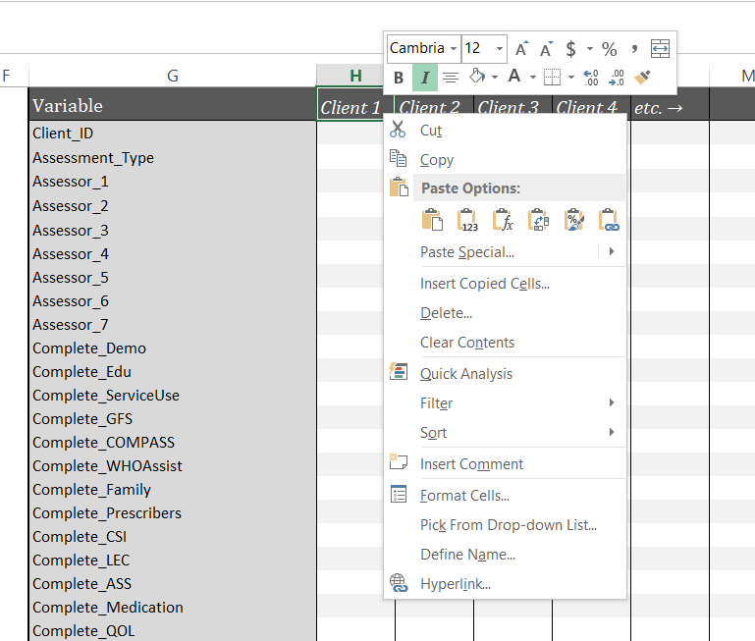
 |  |  |  | Financial_DK
 |  |  |  | Financial_None
 |  |  |  | SSI_Apply
 |  |  |  | Support_Disability
 |  |  |  | Support_TANF
 |  |  |  | Support_Unemployment
 |  |  |  | Support_SNAP
 |  |  |  | Support_Other
 |  |  |  | Support_OS
 |  |  |  | Support_DK
 |  |  |  | Support_None
 |  |  |  | Referred_Self
 |  |  |  | Referred_Family
 |  |  |  | Referred_School
 |  |  |  | Referred_ER
 |  |  |  | Referred_Hosp_Gen
 |  |  |  | Referred_Hosp_Psych
 |  |  |  | Referred_Agency
 |  |  |  | Referred_PCP
 |  |  |  | Referred_Crisis
 |  |  |  | Referred_Legal
 |  |  |  | Referred_Outpatient
 |  |  |  | Referred_Other
 |  |  |  | Referred_OS
 |  |  |  | Edu_Level
 |  |  |  | School_Attendance
 |  |  |  | Edu_Support
 |  |  |  | Goal_School
 |  |  |  | Goal_Employment
 |  |  |  | Internship_No
 |  |  |  | Internship_Unpaid
 |  |  |  | Internship_Paid
 |  |  |  | Internship_Unknown
 |  |  |  | Job_6mos_No
 |  |  |  | Job_6mos_PartTime
 |  |  |  | Job_6mos_FullTime
 |  |  |  | Job_6mos_Unknown
 |  |  |  | SSI
 |  |  |  | Job_Importance
 |  |  |  | Job_Confidence
 |  |  |  | Hospital_MH
 |  |  |  | Times_Hospital_MH
 |  |  |  | Total_Nights_Hospital
 |  |  |  | ER_MH_SU
 |  |  |  | ER_MH_SU_Times
 |  |  |  | Detox
 |  |  |  | Detox_Times
 |  |  |  | Detox_Nights
 |  |  |  | Hospital_Medical
 |  |  |  | Hospital_Medical_Times
 |  |  |  | Hospital_Medical_Nights
 |  |  |  | ER_Medical
 |  |  |  | ER_Medical_Times
 |  |  |  | DMH_Client
 |  |  |  | DCF_Report
 |  |  |  | Services_Med
 |  |  |  | Services_Therapy
 |  |  |  | Services_Educ
 |  |  |  | Services_Employ
 |  |  |  | Services_CaseMan
 |  |  |  | Services_Peer
 |  |  |  | Services_Fam
 |  |  |  | Services_Community
 |  |  |  | GF_Social_Scale
 |  |  |  | MIRECC_GAF_Occupational
 |  |  |  | Suicidal_Ideation
 |  |  |  | Suicide_Attempts
 |  |  |  | Suicide_Attempts_Number
 |  |  |  | Self-Injury
 |  |  |  | Violent_Thoughts
 |  |  |  | Violent_Behavior
 |  |  |  | COMPASS10_Depressed
 |  |  |  | COMPASS10_Anxiety
 |  |  |  | COMPASS10_Suicidal
 |  |  |  | COMPASS10_Hostility
 |  |  |  | COMPASS10_Suspiciousness
 |  |  |  | COMPASS10_Unusual
 |  |  |  | COMPASS10_Hallucinations
 |  |  |  | COMPASS10_Disorganization
 |  |  |  | COMPASS10_Avolition
 |  |  |  | COMPASS10_Asociality
 |  |  |  | LT_Nicotine
 |  |  |  | LT_Alcohol
 |  |  |  | LT_THC
 |  |  |  | LT_Cocaine
 |  |  |  | LT_Stimulant
 |  |  |  | LT_Inhalant
 |  |  |  | LT_Sedative
 |  |  |  | LT_Hallucinogen
 |  |  |  | LT_Opioids
 |  |  |  | LT_Other
 |  |  |  | LT_OS
 |  |  |  | P30D_Nicotine_Freq
 |  |  |  | P30D_Alcohol_Freq
 |  |  |  | P30D_THC_Freq
 |  |  |  | P30D_Cocaine_Freq
 |  |  |  | P30D_Stimulant_Freq
 |  |  |  | P30D_Inhalant_Freq
 |  |  |  | P30D_Sedative_Freq
 |  |  |  | P30D_Hallucinogen_Freq
 |  |  |  | P30D_Opioids_Freq
 |  |  |  | P30D_Other_Freq
 |  |  |  | P30D_OS_Freq
 |  |  |  | P6MO_Nicotine_Detox
 |  |  |  | P6MO_Alcohol_Detox
 |  |  |  | P6MO_THC_Detox
 |  |  |  | P6MO_Cocaine_Detox
 |  |  |  | P6MO_Stimulant_Detox
 |  |  |  | P6MO_Inhalant_Detox
 |  |  |  | P6MO_Sedative_Detox
 |  |  |  | P6MO_Hallucinogen_Detox
 |  |  |  | P6MO_Opioids_Detox
 |  |  |  | P6MO_Other_Detox
 |  |  |  | P6MO_OS_Detox
 |  |  |  | P6MO_Nicotine_Quit
 |  |  |  | P6MO_Alcohol_Quit
 |  |  |  | P6MO_THC_Quit
 |  |  |  | P6MO_Cocaine_Quit
 |  |  |  | P6MO_Stimulant_Quit
 |  |  |  | P6MO_Inhalant_Quit
 |  |  |  | P6MO_Sedative_Quit
 |  |  |  | P6MO_Hallucinogen_Quit
 |  |  |  | P6MO_Opioids_Quit
 |  |  |  | P6MO_Other_Quit
 |  |  |  | P6MO_OS_Quit
 |  |  |  | Family_Contact
 |  |  |  | Client_Preference
 |  |  |  | Family_TX
 |  |  |  | Family_Refuse_TX
 |  |  |  | Height_Feet
 |  |  |  | Height_Inches
 |  |  |  | Weight_Pounds
 |  |  |  | Weight_Ounces
 |  |  |  | Prescription_Meds
 |  |  |  | Oral_Aripiprazole
 |  |  |  | Oral_Asenapine
 |  |  |  | Oral_Brexpiprazole
 |  |  |  | Oral_Chlorpromazine
 |  |  |  | Oral_Clozapine
 |  |  |  | Oral_Fluphenazine
 |  |  |  | Oral_Haloperidol
 |  |  |  | Oral_Loxapine
 |  |  |  | Oral_Lurasidone
 |  |  |  | Oral_Olanzapine
 |  |  |  | Oral_Paliperidone
 |  |  |  | Oral_Perphenazine
 |  |  |  | Oral_Quetiapine
 |  |  |  | Oral_Risperidone
 |  |  |  | Oral_Ziprasidone
 |  |  |  | Other_Oral_Antipsychotic_Name
 |  |  |  | Other_Oral_Antipsychotic_Dose
 |  |  |  | LAI_Name
 |  |  |  | LAI_Dose
 |  |  |  | Other_Psychotropic_Meds_NA
 |  |  |  | Bupropion
 |  |  |  | Citalopram
 |  |  |  | Duloxetine
 |  |  |  | Desvenlafazine
 |  |  |  | Escitalopram
 |  |  |  | Fluoxetine
 |  |  |  | Mirtazapine
 |  |  |  | Paroxetine
 |  |  |  | Sertraline
 |  |  |  | Venlafaxine
 |  |  |  | Vilazodone
 |  |  |  | Vortioxetine
 |  |  |  | Antidepressants_Other
 |  |  |  | Antidepressants_OS
 |  |  |  | Lorazepam_Daily_PRN
 |  |  |  | Clonazepam_Daily_PRN
 |  |  |  | Zolpidem
 |  |  |  | Carbamazepine
 |  |  |  | Divalproex
 |  |  |  | Lamotrigine
 |  |  |  | Lithium_Citrate
 |  |  |  | Lithium_Carbonate
 |  |  |  | Oxcarbazepine
 |  |  |  | Topiramate
 |  |  |  | Amphetamine
 |  |  |  | Methylphenidate
 |  |  |  | Guanfacine
 |  |  |  | Atomoxetine
 |  |  |  | Buspirone
 |  |  |  | Bupropion
 |  |  |  | Varenacline
 |  |  |  | Gabapentin
 |  |  |  | Trazodone
 |  |  |  | Other_Drugs
 |  |  |  | Other_Drugs_OS
 |  |  |  | BARS_Doses_Taken
 |  |  |  | Side_Effects_Sedation
 |  |  |  | Side_Effects_Memory
 |  |  |  | Side_Effects_Appetite
 |  |  |  | Side_Effects_Muscles
 |  |  |  | Side_Effects_Restless
 |  |  |  | Side_Effects_Vision
 |  |  |  | Side_Effects_Sexual
 |  |  |  | Side_Effects_Menstruation
 |  |  |  | Side_Effects_Unlike_Self
 |  |  |  | Side_Effects_Other
 |  |  |  | Side_Effects_OS
 |  |  |  | Side_Effects_None
 |  |  |  | CSI_Nervous
 |  |  |  | CSI_Depressed
 |  |  |  | CSI_Lonely
 |  |  |  | CSI_Paranoid
 |  |  |  | CSI_Voices
 |  |  |  | CSI_Decisions
 |  |  |  | CSI_Concentration
 |  |  |  | CSI_Behavior
 |  |  |  | CSI_Out_Place
 |  |  |  | CSI_Forget
 |  |  |  | CSI_Racing_Thoughts
 |  |  |  | CSI_Suspicious
 |  |  |  | CSI_Harm_Self
 |  |  |  | CSI_Harm_Others
 |  |  |  | LEC5_Disaster_Happened
 |  |  |  | LEC5_Disaster_Witnessed
 |  |  |  | LEC5_Disaster_Learned
 |  |  |  | LEC5_Disaster_Job
 |  |  |  | LEC5_Disaster_Not_Sure
 |  |  |  | LEC5_Disaster_NA
 |  |  |  | LEC5_Fire_Happened
 |  |  |  | LEC5_Fire_Witnessed
 |  |  |  | LEC5_Fire_Learned
 |  |  |  | LEC5_Fire_Job
 |  |  |  | LEC5_Fire_Not_Sure
 |  |  |  | LEC5_Fire_NA
 |  |  |  | LEC5_Trans_Accident_Happened
 |  |  |  | LEC5_Trans_Accident_Witnessed
 |  |  |  | LEC5_Trans_Accident_Learned
 |  |  |  | LEC5_Trans_Accident_Job
 |  |  |  | LEC5_Trans_Accident_Not_Sure
 |  |  |  | LEC5_Trans_Accident_NA
 |  |  |  | LEC5_Accident_Happened
 |  |  |  | LEC5_Accident_Witnessed
 |  |  |  | LEC5_Accident_Learned
 |  |  |  | LEC5_Accident_Job
 |  |  |  | LEC5_Accident_Not_Sure
 |  |  |  | LEC5_Accident_NA
 |  |  |  | LEC5_Exposure_Happened
 |  |  |  | LEC5_Exposure_Witnessed
 |  |  |  | LEC5_Exposure_Learned
 |  |  |  | LEC5_Exposure_Job
 |  |  |  | LEC5_Exposure_Not sure
 |  |  |  | LEC5_Exposure_NA
 |  |  |  | LEC5_Assault_Physical_Happened
 |  |  |  | LEC5_Assault_Physical_Witnessed
 |  |  |  | LEC5_Assault_Physical_Learned
 |  |  |  | LEC5_Assault_Physical_Job
 |  |  |  | LEC5_Assault_Physical_Not_Sure
 |  |  |  | LEC5_Assault_Physical_NA
 |  |  |  | LEC5_Assault_Weapon_Happened
 |  |  |  | LEC5_Assault_Weapon_Witnessed
 |  |  |  | LEC5_Assault_Weapon_Learned
 |  |  |  | LEC5_Assault_Weapon_Job
 |  |  |  | LEC5_Assault_Weapon_Not_Sure
 |  |  |  | LEC5_Assault_Weapon_NA
 |  |  |  | LEC5_Assault_Sexual_Happened
 |  |  |  | LEC5_Assault_Sexual_Witnessed
 |  |  |  | LEC5_Assault_Sexual_Learned
 |  |  |  | LEC5_Assault_Sexual_Job
 |  |  |  | LEC5_Assault_Sexual_Not_Sure
 |  |  |  | LEC5_Assault_Sexual_NA
 |  |  |  | LEC5_Other_Sexual_Happened
 |  |  |  | LEC5_Other_Sexual_Witnessed
 |  |  |  | LEC5_Other_Sexual_Learned
 |  |  |  | LEC5_Other_Sexual_Job
 |  |  |  | LEC5_Other_Sexual_Not_Sure
 |  |  |  | LEC5_Other_Sexual_NA
 |  |  |  | LEC5_Combat_Happened
 |  |  |  | LEC5_Combat_Witnessed
 |  |  |  | LEC5_Combat_Learned
 |  |  |  | LEC5_Combat_Job
 |  |  |  | LEC5_Combat_Not_Sure
 |  |  |  | LEC5_Combat_NA
 |  |  |  | LEC5_Captivity_Happened
 |  |  |  | LEC5_Captivity_Witnessed
 |  |  |  | LEC5_Captivity_Learned
 |  |  |  | LEC5_Captivity_Job
 |  |  |  | LEC5_Captivity_Not_Sure
 |  |  |  | LEC5_Captivity_NA
 |  |  |  | LEC5_Illness_Happened
 |  |  |  | LEC5_Illness_Witnessed
 |  |  |  | LEC5_Illness_Learned
 |  |  |  | LEC5_Illness_Job
 |  |  |  | LEC5_Illness_Not_Sure
 |  |  |  | LEC5_Illness_NA
 |  |  |  | LEC5_Suffering_Happened
 |  |  |  | LEC5_Suffering_Witnessed
 |  |  |  | LEC5_Suffering_Learned
 |  |  |  | LEC5_Suffering_Job
 |  |  |  | LEC5_Suffering_Not_Sure
 |  |  |  | LEC5_Suffering_NA
 |  |  |  | LEC5_Death_Violent_Happened
 |  |  |  | LEC5_Death_Violent_Witnessed
 |  |  |  | LEC5_Death_Violent_Learned
 |  |  |  | LEC5_Death_Violent_Job
 |  |  |  | LEC5_Death_Violent_Not_Sure
 |  |  |  | LEC5_Death_Violent_NA
 |  |  |  | LEC5_Death_Unexpected_Happened
 |  |  |  | LEC5_Death_Unexpected_Witnessed
 |  |  |  | LEC5_Death_Unexpected_Learned
 |  |  |  | LEC5_Death_Unexpected_Job
 |  |  |  | LEC5_Death_Unexpected_Not_Sure
 |  |  |  | LEC5_Death_Unexpected_NA
 |  |  |  | LEC5_Injury_Happened
 |  |  |  | LEC5_Injury_Witnessed
 |  |  |  | LEC5_Injury_Learned
 |  |  |  | LEC5_Injury_Job
 |  |  |  | LEC5_Injury_Not_Sure
 |  |  |  | LEC5_Injury_NA
 |  |  |  | LEC5_Other_Happened
 |  |  |  | LEC5_Other_Witnessed
 |  |  |  | LEC5_Other_Learned
 |  |  |  | LEC5_Other_Job
 |  |  |  | LEC5_Other_Not_Sure
 |  |  |  | LEC5_Other_NA
 |  |  |  | LEC5_Race_Happened
 |  |  |  | LEC5_Race_Witnessed
 |  |  |  | LEC5_Race_Learned
 |  |  |  | LEC5_Race_Job
 |  |  |  | LEC5_Race_Not_Sure
 |  |  |  | LEC5_Race_NA
 |  |  |  | ASS_1
 |  |  |  | ASS_2
 |  |  |  | ASS_3
 |  |  |  | ASS_4
 |  |  |  | ASS_5
 |  |  |  | ASS_6
 |  |  |  | BARS_Doses_Taken_Client
 |  |  |  | QoL
 |  |  |  | QPR_Feel_Better
 |  |  |  | QPR_Take_Chances
 |  |  |  | QPR_Relationships
 |  |  |  | QPR_Society
 |  |  |  | QPR_Assert
 |  |  |  | QPR_Purpose
 |  |  |  | QPR_Experiences
 |  |  |  | QPR_Past
 |  |  |  | QPR_Motivated
 |  |  |  | QPR_Positive
 |  |  |  | QPR_Understand
 |  |  |  | QPR_Charge
 |  |  |  | QPR_Engage
 |  |  |  | QPR_Control
 |  |  |  | QPR_Time
 |  |  |  | CSQ_1
 |  |  |  | CSQ_2
 |  |  |  | CSQ_3
 |  |  |  | CSQ_4
 |  |  |  | CSQ_5
 |  |  |  | CSQ_6
 |  |  |  | CSQ_7
 |  |  |  | CSQ_8
 |  |  |  | CSQ_9
 |  |  |  | CSQ_10
 |  |  |  | discharge_confidence
 |  |  |  | discharge_month
 |  |  |  | discharge_year
 |  |  |  | discharge_number
 |  |  |  | discharge_number_specify
 |  |  |  | discharge_reason_1
 |  |  |  | discharge_reason_2
 |  |  |  | discharge_reason_2_os
 |  |  |  | discharge_reason_3
 |  |  |  | discharge_reason_3_os
 |  |  |  | discharge_reason_4
 |  |  |  | discharge_reason_5
 |  |  |  | discharge_reason_6
 |  |  |  | discharge_reason_7
 |  |  |  | discharge_reason_os
 |  |  |  | discharge_goals_tx
 |  |  |  | discharge_goals_sx
 |  |  |  | discharge_goals_su
 |  |  |  | discharge_goals_edu
 |  |  |  | discharge_goals_voc
 |  |  |  | discharge_education
 |  |  |  | discharge_education_os
 |  |  |  | discharge_work
 |  |  |  | discharge_work_os
 |  |  |  | discharge_followup_no
 |  |  |  | discharge_followup_specify
 |  |  |  | discharge_followup_yes
 |  |  |  | discharge_followup_recs
 |  |  |  | discharge_followup_unsure
 |  |  |  | discharge_referral_int_na
 |  |  |  | discharge_referral_int_no
 |  |  |  | discharge_referral_int_med
 |  |  |  | discharge_referral_int_therapy
 |  |  |  | discharge_referral_int_see
 |  |  |  | discharge_referral_int_hosp
 |  |  |  | discharge_referral_int_other
 |  |  |  | discharge_referral_int_os
 |  |  |  | discharge_referral_ex_na
 |  |  |  | discharge_referral_ex_no
 |  |  |  | discharge_referral_ex_med
 |  |  |  | discharge_referral_ex_therapy
 |  |  |  | discharge_referral_ex_see
 |  |  |  | discharge_referral_ex_hosp
 |  |  |  | discharge_referral_ex_other
 |  |  |  | discharge_referral_ex_os
 |  |  |  | discharge_care_none
 |  |  |  | discharge_care_pcp
 |  |  |  | discharge_care_cmh
 |  |  |  | discharge_care_fep
 |  |  |  | discharge_care_hosp
 |  |  |  | discharge_care_unsure
 |  |  |  | discharge_care_other
 |  |  |  | discharge_care_os

